Guide
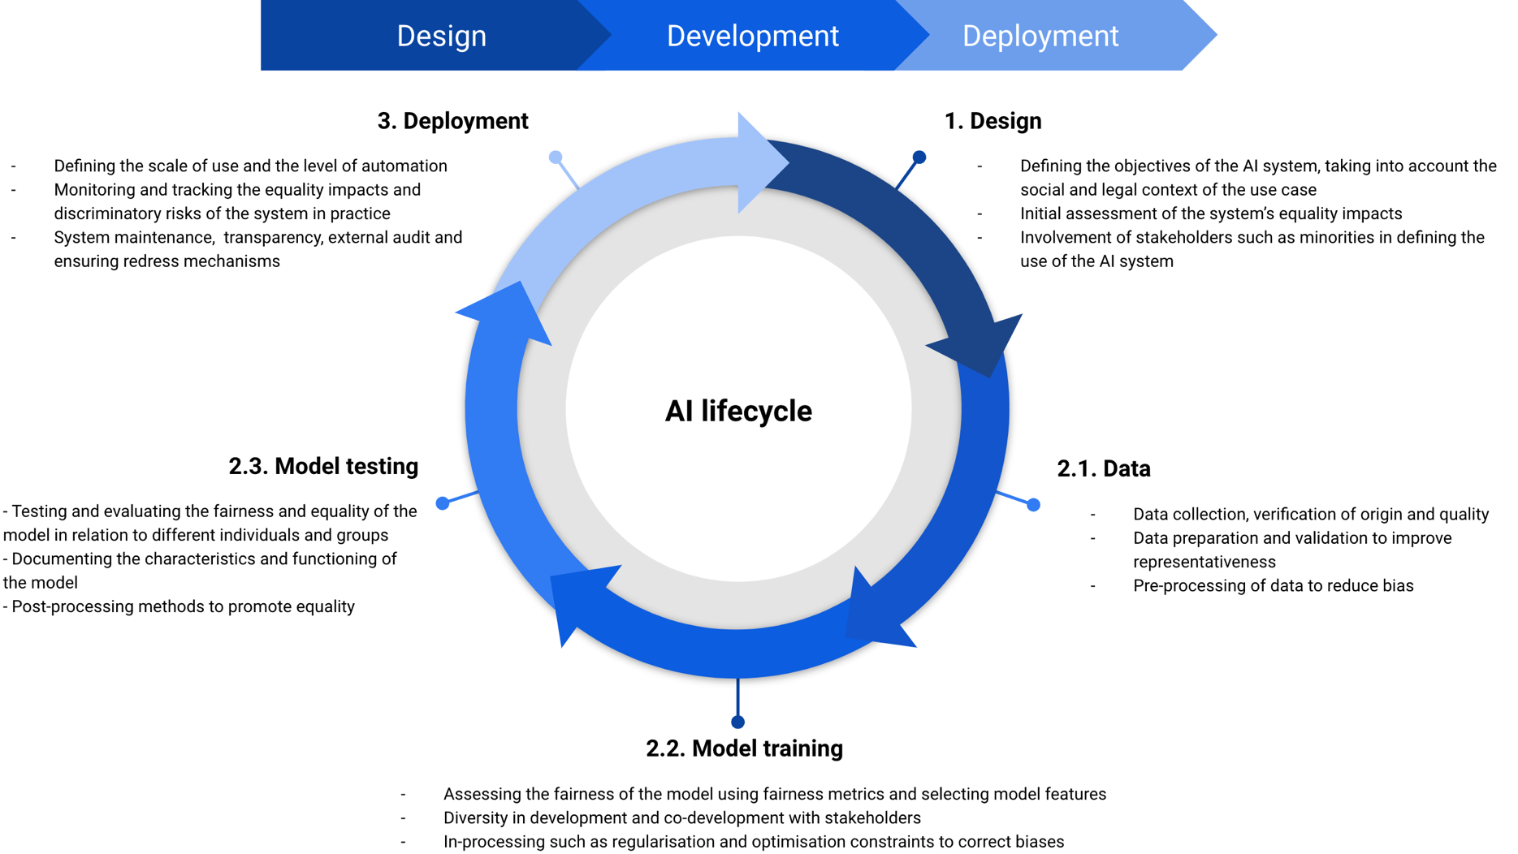
Planned AI system: Use case and purpose: End users and affected groups: Organisation and the people involved in planning: | Scoring of the assessment framework The topics and questions in the assessment framework are answered by assessing how they have been considered at different stages of the AI system's life cycle. Responses add to the risk score as follows: Good: the issue is strongly considered as part of the system development (e.g., by implenting corrective measures, putting in place appropriate processes, or assigning people to take responsibility for the issue) = 0 points Partially: the issue has been taken into account to some or moderate extent (e.g., by planning measures, learning about the issue or discussing it within the organisation or development team) = 0,5 points Not considered: little or no attention has been paid to the issue = 1 point At the end of each of the five sections there are three questions related to the promotion of equality. They are scored inversely, i.e. if they are consired well, the risk score is reduced. For example, attending to questions related to positive action in the design process will reduce the risk score by one (-1). The 🔺 -symbol after the question indicates an item that is necessary or at least extremely important. These questions must be at least partially considered before proceeding, and cannot be ignored. All questions in the evaluation framework are not necessarily suitable in the context of every AI system or use-case. If a question or item is not applicable, the question can be left unanswered with the N/A option.
Using the spreadsheet: 1. Briefly describe the planned system above and refer to the instructions on the right. 2. Move to the different stages of the AI life cycle by starting from the '1. Design'. 3. Evaluate how well the topics and questions have been considered in the development of the system by selecting the appropriate option in column C (you will see the score in column D). 4. Explain and justify your answer in column E. How and in what way has the issue been taken into account in the life cycle of the system? 5. Look at both the sub-score for each part of the AI life cycle as well as the total score and take the necessary measures to reduce the risks. You can look at the resources at end of each section for tips and tools. | For each stage of the AI life cycle, a sub-score is calculated based on the responses. The sub-scores range from 12 to 17, depending on the amount of questions, with an average of x/15 (example below). The score helps to assess the risks of discrimination at that stage: 0-3,5 points/sub-stage: Relatively safe to proceed to the next stage. 4-8 points/sub-stage: Carefully consider proceeding to the next stage unless corrective measures are identified and implemented. 8,5-15 points/sub-stage: Do not proceed to the next step until changes are made to mitigate the risk. When all the stages of the life cycle have been completed, the framework is used to calculate the overall risk score (x/73). The score must not be in the red (39-73 points) for the AI system to be deployed without corrective measures. 0-18,5: It is relatively safe to proceed with the use of the AI system. 19-38,5: Consider whether to use the AI system unless corrective measures are taken. If deployment continues, careful consideration should be given to how equality can be ensured and how any discriminatory effects of the application can be addressed. 39-73: The AI system contains significant risks from the perspective of non-discrimination and its implementation cannot be recommended unless corrective measures are taken. In this situation, it is important to identify and analyse the cause of the result and discuss with all parties involved the measures to minimise the risks of discrimination.

